Overview of the model
Transgrid System Strength MCC assessment

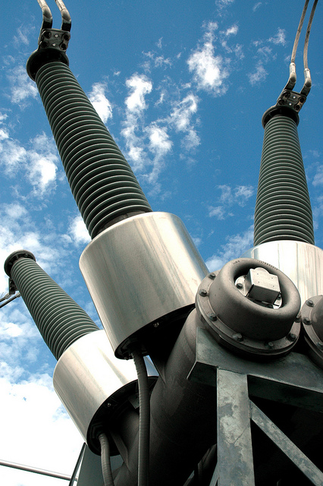
 | Creation Date | 2026-07-01
 | Client | Transgrid
 | Description | System strength MCC model - proponent advised scenario
 | Creators

 | Cell legend applied throughout the model
 |  | Table Row Name
 |  | Input Cell
 |  | Calculation cell
 |  | Parameter Cell
 |  | Output Cell

R1 Interface and results
R1 Interface and results
Interface for scenario settings and key results

 | Scenario settings

 | Parameters
 | General parameters |  |  |  | Unit | Value
 | Commercial discount rate |  |  |  | Percent | 7.00% | Source: 2025 Inputs, Assumptions and Scenarios Report, AEMO, August 2025
 | Weighted Average Cost of Capital (regulated) | Network Synchronous Condensers |  |  | Percent | 3.00% | Source: 2025 Inputs, Assumptions and Scenarios Report, AEMO, August 2025
 | Weighted Average Cost of Capital (BESS) | ISP-modelled battery, converted to grid-forming |  |  | Percent | 8.00% | Source: 2025 Inputs, Assumptions and Scenarios Report, AEMO, August 2025

 | With grid-forming BESS for the minimum level: Headline NPV chart

 | Net present value ($m, PV) | NPV |  |  |  |  |  | Grid-forming BESS included. Net present value breakdown ($, PV)
 | Portfolio | Assumed synchronous condenser timing |  | Accelerated synchronous condenser timing |  | Accelerated synchronous condenser timing (total) |  | Portfolio | Capex | Opex | Avoided involuntary load shedding | Avoided fuel costs | Avoided cost for non-RIT-T proponent parties | Avoided value of greenhouse gas emissions | Total
 | Portfolio option 3b - assumed timing | 38,568 | Portfolio option 3b - accelerated timing | 427 | Portfolio option 3b - accelerated timing | 38,994 |  | Accelerated Portfolio option 4a (No GFM BESS) | -423 | -59 | 38,188 | 308 | 468 | 385 | 38,867
 | Portfolio option 4b - assumed timing | 38,493 | Portfolio option 4b - accelerated timing | 397 | Portfolio option 4b - accelerated timing | 38,891 |  | Portfolio option 3b - accelerated timing | -348 | -44 | 38,188 | 306 | 507 | 385 | 38,994
 | Portfolio option 5b - assumed timing | 38,414 | Portfolio option 5b - accelerated timing | 370 | Portfolio option 5b - accelerated timing | 38,784 |  | Portfolio option 3b compared to Portfolio option 4a | 75 | 15 | 0 | -1 | 39 | 0 | 127

 |  |  |  |  |  |  |  |  |  | Portfolio option 4a to the base case |  |  | Portfolio option 3b to Portfolio option 4a
 | Labels
 | Portfolio Option 3b
 | Portfolio Option 4b
 | Portfolio Option 5b

 |  |  |  |  |  |  |  |  | Capex | Opex | Avoided involuntary load curtailment | Avoided fuel costs | Avoided cost for non-RIT-T proponent parties | Avoided value of greenhouse gas emissions

 | No grid-forming BESS for the minimum level: Headline NPV chart

 | Net present value ($m, PV)
 | Portfolio | Assumed synchronous condenser timing |  | Accelerated synchronous condenser timing |  | Accelerated synchronous condenser timing (total)
 | Assumed Portfolio option 1a (No GFM BESS) | 1,027 | Accelerated Portfolio option 1a (No GFM BESS) | 478 | Additional benefits only | 1,505
 | Assumed Portfolio option 2a (No GFM BESS) | 20,513 | Accelerated Portfolio option 2a (No GFM BESS) | 459 | Additional benefits only | 20,972
 | Assumed Portfolio option 3a (No GFM BESS) | 38,190 | Accelerated Portfolio option 3a (No GFM BESS) | 430 | Additional benefits only | 38,619
 | Assumed Portfolio option 4a (No GFM BESS) | 38,467 | Accelerated Portfolio option 4a (No GFM BESS) | 400 | Additional benefits only | 38,867
 | Assumed Portfolio option 5a (No GFM BESS) | 38,414 | Accelerated Portfolio option 5a (No GFM BESS) | 370 | Additional benefits only | 38,784

 |  | Label
 |  | Portfolio option 1a
 |  | Portfolio option 2a
 |  | Portfolio option 3a
 |  | Portfolio option 4a
 |  | Portfolio option 5a

 | Synchronous condenser cost sensitivity

 | Low synchronous condenser cost sensitivity
 | Portfolio | Assumed synchronous condenser timing |  | Accelerated synchronous condenser timing |  | Accelerated synchronous condenser timing (total)
 | Portfolio option 3b - assumed timing | 38,649 | Portfolio option 3b - accelerated timing | 454 | Portfolio option 3b - accelerated timing | 39,103
 | Portfolio option 4b - assumed timing | 38,602 | Portfolio option 4b - accelerated timing | 433 | Portfolio option 4b - accelerated timing | 39,035
 | Portfolio option 5b - assumed timing | 38,550 | Portfolio option 5b - accelerated timing | 415 | Portfolio option 5b - accelerated timing | 38,964

 | Labels | Labels
 | Portfolio Option 3b | Portfolio Option 3b
 | Portfolio Option 4b | Portfolio Option 4b
 | Portfolio Option 5b | Portfolio Option 5b

 | High synchronous condenser cost sensitivity
 | Portfolio | Assumed synchronous condenser timing |  | Accelerated synchronous condenser timing |  | Accelerated synchronous condenser timing (total)
 | Portfolio option 3b - assumed timing | 38,459 | Portfolio option 3b - accelerated timing | 391 | Portfolio option 3b - accelerated timing | 38,850
 | Portfolio option 4b - assumed timing | 38,348 | Portfolio option 4b - accelerated timing | 350 | Portfolio option 4b - accelerated timing | 38,698
 | Portfolio option 5b - assumed timing | 38,232 | Portfolio option 5b - accelerated timing | 310 | Portfolio option 5b - accelerated timing | 38,543

 |  | Labels
 |  | Portfolio Option 3b
 |  | Portfolio Option 4b
 |  | Portfolio Option 5b

