Overview of the model
Transgrid System Strength MCC assessment

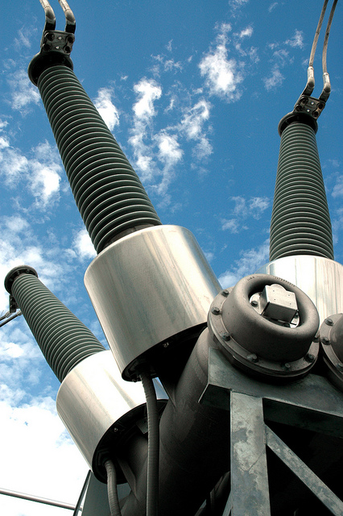
 | Creation Date | 2026-08-24
 | Client | Transgrid
 | Description | System strength MCC model
 | Scenario | Proponent advised coal retirement date scenario
 | Creators

 | Cell legend applied throughout the model
 |  | Table Row Name
 |  | Input Cell
 |  | Calculation cell
 |  | Parameter Cell
 |  | Output Cell

R1 Interface and results
R1 Interface and results
Interface for scenario settings and key results

 | Scenario settings

 | Parameters
 | General parameters |  |  |  | Unit | Value
 | Commercial discount rate |  |  |  | Percent | 7.00% | Source: 2025 Inputs, Assumptions and Scenarios Report, AEMO, August 2025
 | Weighted Average Cost of Capital (regulated) | Network Synchronous Condensers |  |  | Percent | 3.00% | Source: 2025 Inputs, Assumptions and Scenarios Report, AEMO, August 2025
 | Weighted Average Cost of Capital (BESS) | ISP-modelled battery, converted to grid-forming |  |  | Percent | 8.00% | Source: 2025 Inputs, Assumptions and Scenarios Report, AEMO, August 2025

 | Headline NPV chart: Including grid-forming BESS for the minimum level
 |  | NPV
 | Net present value ($m, PV) | Total benefit |  | Incremental benefit of acceleration |  | Total benefit |  | Grid-forming BESS included. Net present value breakdown ($m, PV)
 | Portfolio | Assumed synchronous condenser timing |  | Accelerated synchronous condenser timing |  | Accelerated synchronous condenser timing (total) |  | Portfolio | Capex | Opex | Avoided involuntary load shedding | Avoided fuel costs | Avoided cost for non-RIT-T proponent parties | Avoided value of greenhouse gas emissions | Total
 | Portfolio option 3b - assumed timing | 37,515 | Portfolio option 3b - accelerated timing | 442 | Portfolio option 3b - accelerated timing | 37,957 |  | Accelerated Portfolio option 4a (No GFM BESS) | -423 | -59 | 37,150 | 299 | 477 | 401 | 37,845
 | Portfolio option 4b - assumed timing | 37,445 | Portfolio option 4b - accelerated timing | 413 | Portfolio option 4b - accelerated timing | 37,858 |  | Portfolio option 3b - accelerated timing | -350 | -44 | 37,150 | 299 | 502 | 401 | 37,957
 | Portfolio option 5b - assumed timing | 37,365 | Portfolio option 5b - accelerated timing | 385 | Portfolio option 5b - accelerated timing | 37,750 |  | Portfolio option 3b compared to Portfolio option 4a | 74 | 15 | 0 |  | 24 | 0 | 112
 |  |  |  |  |  |  |  |  |  | Portfolio option 4a to the base case |  |  | Portfolio option 3b to Portfolio option 4a

 | Labels
 | Portfolio Option 3b
 | Portfolio Option 4b
 | Portfolio Option 5b

 |  |  |  |  |  |  |  |  | Capex | Opex | Avoided involuntary load curtailment | Avoided fuel costs | Avoided cost for non-RIT-T proponent parties | Avoided value of greenhouse gas emissions

 | Headline NPV chart: Excluding grid-forming BESS for the minimum level

 | Net present value ($m, PV) | Total benefit |  | Incremental benefit of acceleration |  | Total benefit
 | Portfolio | Assumed synchronous condenser timing |  | Accelerated synchronous condenser timing |  | Accelerated synchronous condenser timing (total)
 | Assumed Portfolio option 1a (No GFM BESS) | 622 | Accelerated Portfolio option 1a (No GFM BESS) | 494 | Accelerated (total benefits) | 1,116
 | Assumed Portfolio option 2a (No GFM BESS) | 20,241 | Accelerated Portfolio option 2a (No GFM BESS) | 474 | Accelerated (total benefits) | 20,715
 | Assumed Portfolio option 3a (No GFM BESS) | 37,212 | Accelerated Portfolio option 3a (No GFM BESS) | 444 | Accelerated (total benefits) | 37,657
 | Assumed Portfolio option 4a (No GFM BESS) | 37,430 | Accelerated Portfolio option 4a (No GFM BESS) | 415 | Accelerated (total benefits) | 37,845
 | Assumed Portfolio option 5a (No GFM BESS) | 37,365 | Accelerated Portfolio option 5a (No GFM BESS) | 385 | Accelerated (total benefits) | 37,750

 |  | Label
 |  | Portfolio option 1a
 |  | Portfolio option 2a
 |  | Portfolio option 3a
 |  | Portfolio option 4a
 |  | Portfolio option 5a

 | 30% lower synchronous condenser cost sensitivity

 | Net present value ($m) | Total benefit |  | Incremental benefit of acceleration |  | Total benefit
 | Portfolio | Assumed synchronous condenser timing |  | Accelerated synchronous condenser timing |  | Accelerated synchronous condenser timing (total)
 | Portfolio option 3b - assumed timing | 37,597 | Portfolio option 3b - accelerated timing | 469 | Portfolio option 3b - accelerated timing | 38,066
 | Portfolio option 4b - assumed timing | 37,554 | Portfolio option 4b - accelerated timing | 448 | Portfolio option 4b - accelerated timing | 38,002
 | Portfolio option 5b - assumed timing | 37,501 | Portfolio option 5b - accelerated timing | 430 | Portfolio option 5b - accelerated timing | 37,931

 | Labels | Labels
 | Portfolio Option 3b | Portfolio Option 3b
 | Portfolio Option 4b | Portfolio Option 4b
 | Portfolio Option 5b | Portfolio Option 5b

 | 40% higher synchronous condenser cost sensitivity

 | Net present value ($m) | Total benefit |  | Incremental benefit of acceleration |  | Total benefit
 | Portfolio | Assumed synchronous condenser timing |  | Accelerated synchronous condenser timing |  | Accelerated synchronous condenser timing (total)
 | Portfolio option 3b - assumed timing | 37,406 | Portfolio option 3b - accelerated timing | 406 | Portfolio option 3b - accelerated timing | 37,812
 | Portfolio option 4b - assumed timing | 37,300 | Portfolio option 4b - accelerated timing | 365 | Portfolio option 4b - accelerated timing | 37,665
 | Portfolio option 5b - assumed timing | 37,184 | Portfolio option 5b - accelerated timing | 325 | Portfolio option 5b - accelerated timing | 37,509

 |  | Labels
 |  | Portfolio Option 3b
 |  | Portfolio Option 4b
 |  | Portfolio Option 5b

