Overview of the model
Transgrid System Strength MCC assessment

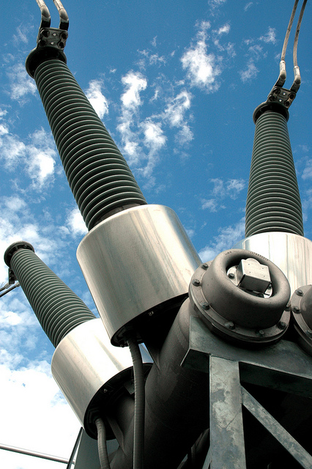
 | Creation Date | 2026-07-01
 | Client | Transgrid
 | Description | System strength MCC model - Step change scenario
 | Creators

 | Cell legend applied throughout the model
 |  | Table Row Name
 |  | Input Cell
 |  | Calculation cell
 |  | Parameter Cell
 |  | Output Cell

R1 Interface and results
R1 Interface and results
Interface for scenario settings and key results

 | Scenario settings

 | Parameters
 | General parameters |  |  |  | Unit | Value
 | Commercial discount rate |  |  |  | Percent | 7.00% | Source: 2025 Inputs, Assumptions and Scenarios Report, AEMO, August 2025
 | Weighted Average Cost of Capital (regulated) | Network Synchronous Condensers |  |  | Percent | 3.00% | Source: 2025 Inputs, Assumptions and Scenarios Report, AEMO, August 2025
 | Weighted Average Cost of Capital (BESS) | ISP-modelled battery, converted to grid-forming |  |  | Percent | 8.00% | Source: 2025 Inputs, Assumptions and Scenarios Report, AEMO, August 2025

 | With grid-forming BESS for the minimum level: Headline NPV chart

 | Net present value ($m, PV) | NPV |  |  |  |  |  | Grid-forming BESS included. Net present value breakdown ($, PV)
 | Portfolio | Assumed synchronous condenser timing |  | Accelerated synchronous condenser timing |  | Accelerated synchronous condenser timing (total) |  | Portfolio | Capex | Opex | Avoided involuntary load shedding | Avoided fuel costs | Avoided cost for non-RIT-T proponent parties | Avoided value of greenhouse gas emissions | Total
 | Portfolio option 3b - assumed timing | 38,934 | Portfolio option 3b - accelerated timing | 1,915 | Portfolio option 3b - accelerated timing | 40,849 |  | Accelerated Portfolio option 4a (No GFM BESS) | -423 | -59 | 40,101 | 291 | 513 | 303 | 40,726
 | Portfolio option 4b - assumed timing | 38,852 | Portfolio option 4b - accelerated timing | 1,898 | Portfolio option 4b - accelerated timing | 40,749 |  | Portfolio option 3b - accelerated timing | -348 | -44 | 40,101 | 289 | 548 | 303 | 40,849
 | Portfolio option 5b - assumed timing | 38,414 | Portfolio option 5b - accelerated timing | 2,229 | Portfolio option 5b - accelerated timing | 40,643 |  | Portfolio option 3b compared to Portfolio option 4a | 75 | 15 | 0 | -1 | 35 | 0 | 124

 |  |  |  |  |  |  |  |  |  | Portfolio option 4a to the base case |  |  | Portfolio option 3b to Portfolio option 4a
 | Labels
 | Portfolio Option 3b
 | Portfolio Option 4b
 | Portfolio Option 5b

 |  |  |  |  |  |  |  |  | Capex | Opex | Avoided involuntary load curtailment | Avoided fuel costs | Avoided cost for non-RIT-T proponent parties | Avoided value of greenhouse gas emissions

 | No grid-forming BESS for the minimum level: Headline NPV chart

 | Net present value ($m, PV)
 | Portfolio | Assumed synchronous condenser timing |  | Accelerated synchronous condenser timing |  | Accelerated synchronous condenser timing (total)
 | Assumed Portfolio option 1a (No GFM BESS) | 1,027 | Accelerated Portfolio option 1a (No GFM BESS) | 1,121 | Additional benefits only | 2,149
 | Assumed Portfolio option 2a (No GFM BESS) | 20,513 | Accelerated Portfolio option 2a (No GFM BESS) | 2,126 | Additional benefits only | 22,639
 | Assumed Portfolio option 3a (No GFM BESS) | 38,190 | Accelerated Portfolio option 3a (No GFM BESS) | 2,284 | Additional benefits only | 40,474
 | Assumed Portfolio option 4a (No GFM BESS) | 38,467 | Accelerated Portfolio option 4a (No GFM BESS) | 2,259 | Additional benefits only | 40,726
 | Assumed Portfolio option 5a (No GFM BESS) | 38,414 | Accelerated Portfolio option 5a (No GFM BESS) | 2,229 | Additional benefits only | 40,643

 |  | Label
 |  | Portfolio option 1a
 |  | Portfolio option 2a
 |  | Portfolio option 3a
 |  | Portfolio option 4a
 |  | Portfolio option 5a

 | Case Study 1: Asymmetric risk of system strength adequacy at transition points

 | Net present value of additional costs ($, PV)
 | Timing of synchronous condensers | Involuntary load curtailment | Fuel costs | Cost for non-RIT-T proponents | Value of greenhouse gas emissions | Capex | Opex
 | Both replacement solutions are in place before coal retires | 0 | 0 | 1 |  | 38 | 2
 | Coal retires before grid-forming BESS are proven credible, but after Phase 2 synchronous condensers are in place | 0 | 11 | 26 | 5 | 37 | 2
 | Coal retires before Phase 2 synchronous condensers, but after grid-forming BESS are proven credible | 929 | 59 | 34 | 35 | 2 | 0
 | Coal retires before both replacement solutions are in place | 4,021 | 218 | 70 | 137 | 0 | 0

 | Capex | Opex | Fuel costs | Cost for non-RIT-T proponents | Value of greenhouse gas emissions | Involuntary load curtailment
A | 38 | 2 |  | 1 |  | 0
B | 37 | 2 | 11 | 26 | 5 | 0
C | 2 |  | 59 | 34 | 35 | 929
D |  |  | 218 | 70 | 137 | 4021

 |  | Labels
 |  | A
 |  | B
 |  | C
 |  | D

 | New England sensitivity

 | New England sensitivity
 | Portfolio | Assumed synchronous condenser timing |  | Accelerated synchronous condenser timing |  | Accelerated synchronous condenser timing (total)
 | Portfolio option 3b - assumed timing | 20,781 | Portfolio option 3b - accelerated timing | 1,915 | Portfolio option 3b - accelerated timing | 22,696
 | Portfolio option 4b - assumed timing | 20,699 | Portfolio option 4b - accelerated timing | 1,898 | Portfolio option 4b - accelerated timing | 22,596
 | Portfolio option 5b - assumed timing | 20,261 | Portfolio option 5b - accelerated timing | 2,229 | Portfolio option 5b - accelerated timing | 22,490

 | Labels
 | Portfolio Option 3b
 | Portfolio Option 4b
 | Portfolio Option 5b

 | Synchronous condenser cost sensitivity

 | Low synchronous condenser cost sensitivity
 | Portfolio | Assumed synchronous condenser timing |  | Accelerated synchronous condenser timing |  | Accelerated synchronous condenser timing (total)
 | Portfolio option 3b - assumed timing | 39,016 | Portfolio option 3b - accelerated timing | 1,942 | Portfolio option 3b - accelerated timing | 40,958
 | Portfolio option 4b - assumed timing | 38,961 | Portfolio option 4b - accelerated timing | 1,934 | Portfolio option 4b - accelerated timing | 40,894
 | Portfolio option 5b - assumed timing | 38,550 | Portfolio option 5b - accelerated timing | 2,274 | Portfolio option 5b - accelerated timing | 40,823

 |  | Labels
 |  | Portfolio Option 3b
 |  | Portfolio Option 4b
 |  | Portfolio Option 5b

 | High synchronous condenser cost sensitivity
 | Portfolio | Assumed synchronous condenser timing |  | Accelerated synchronous condenser timing |  | Accelerated synchronous condenser timing (total)
 | Portfolio option 3b - assumed timing | 38,825 | Portfolio option 3b - accelerated timing | 1,879 | Portfolio option 3b - accelerated timing | 40,705
 | Portfolio option 4b - assumed timing | 38,707 | Portfolio option 4b - accelerated timing | 1,850 | Portfolio option 4b - accelerated timing | 40,557
 | Portfolio option 5b - assumed timing | 38,232 | Portfolio option 5b - accelerated timing | 2,169 | Portfolio option 5b - accelerated timing | 40,402

 |  | Labels
 |  | Portfolio Option 3b
 |  | Portfolio Option 4b
 |  | Portfolio Option 5b

